Aggregated_Data
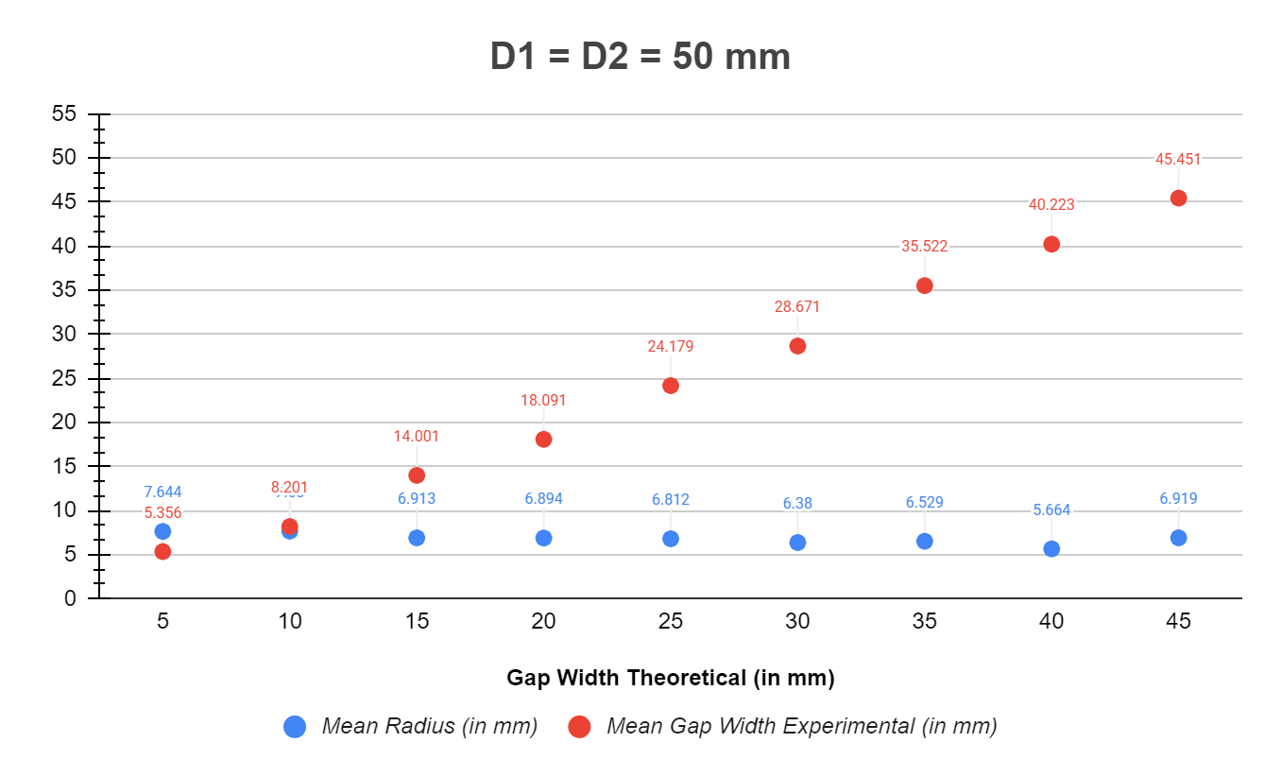
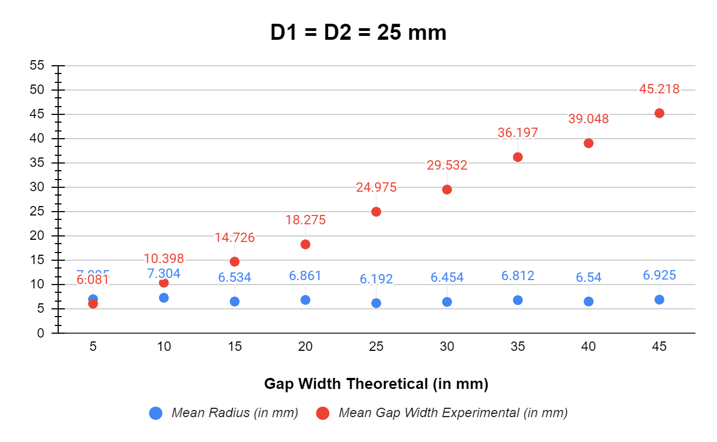
Radius of Cylinder (in mm) | Gap Width Theoretical (in mm) | Mean Radius (in mm) | Std. Deviation of Radius (in mm) | Mean Gap Width Experimental (in mm) | Std. Deviation Gap Width Experimental (in mm)
50 | 5 | 7.644 | 1.127 | 5.356 | 0.611
 | 10 | 7.68 | 0.529 | 8.201 | 1.076
 | 15 | 6.913 | 0.871 | 14.001 | 0.509
 | 20 | 6.894 | 0.403 | 18.091 | 0.378
 | 25 | 6.812 | 0.332 | 24.179 | 1.05
 | 30 | 6.38 | 0.363 | 28.671 | 0.888
 | 35 | 6.529 | 1.088 | 35.522 | 0.501
 | 40 | 5.664 | 0.85 | 40.223 | 1.873
 | 45 | 6.919 | 0.511 | 45.451 | 0.48

40 | 5 | 9.33 | 0.527 | 5.21 | 1.08
 | 10 | 7.288 | 0.899 | 9.867 | 0.422
 | 15 | 7.491 | 0.521 | 16.302 | 0.562
 | 20 | 6.066 | 0.631 | 20.757 | 0.654
 | 25 | 6.243 | 0.403 | 26.763 | 1.159
 | 30 | 6.972 | 0.364 | 32.682 | 1.411
 | 35 | 6.262 | 0.512 | 32.524 | 0.544
 | 40 | 7.057 | 0.199 | 40.577 | 1.708
 | 45 | 6.727 | 0.741 | 47.084 | 2.083

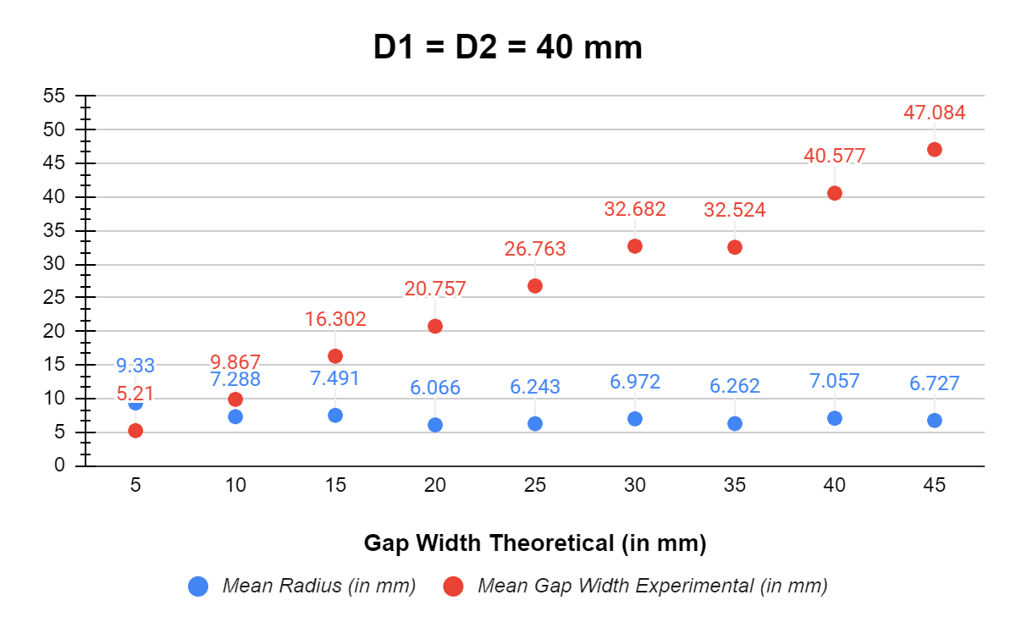
25 | 5 | 7.005 | 0.831 | 6.081 | 0.618
 | 10 | 7.304 | 0.676 | 10.398 | 0.861
 | 15 | 6.534 | 0.445 | 14.726 | 0.333
 | 20 | 6.861 | 0.338 | 18.275 | 0.901
 | 25 | 6.192 | 0.437 | 24.975 | 0.41
 | 30 | 6.454 | 0.393 | 29.532 | 0.759
 | 35 | 6.812 | 0.245 | 36.197 | 0.56
 | 40 | 6.54 | 0.382 | 39.048 | 1.169
 | 45 | 6.925 | 0.452 | 45.218 | 0.629

